Black Box Test
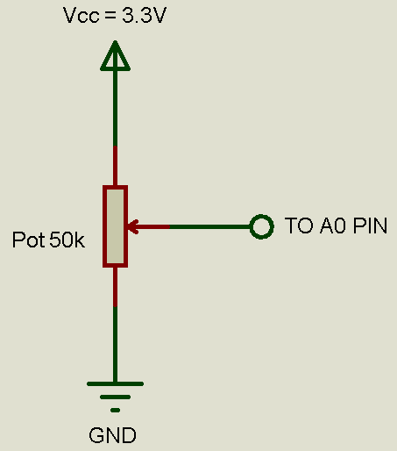
Project: | "PID Control of a DC Motor"
Date: | 2019-10-04
Issue: | Power Module Integration
Issue ID: | 4
Pull Request Name: | Power Module Integration
Pull Request ID: | 11
Branch Name: | PowerModuleIntegration
Developer: | Irvin Ramírez
Tester: | Juan Luis Nepomuceno

Test ID | Test Description | Expected Results | Actual Results
PM-001 | Connect a 50 kΩ potentiometer to A0 pin (on the Renesas Synergy SK-S7G2 Board) as shown in figure 1. Then plug the USB cable to the PC and to the Board through J19 (DEBUG_USB). | The Renesas Synergy SK-S7G2 is energized and the LEDs 1-4 may be ON. | PASS | Figure 1
PM-002 | On the PC open the branch under test in the e2studio IDE. Once it is loaded, press the Debug Button. Then add the expressions "adcData" and "percentage" to the Expressions Tab. Right click the expressions and set the "Real-time refresh" property. | An "R" appears in the left side of the expressions. | PASS
PM-003 | Press the Resume Button (F8) twice. | "adcData" should be a value between 0 and 255. "percentage" should be equal to (adcData*100/255). | PASS
PM-004 | Sweep the potentiometer from the GND side to the Vcc side. Use a multimeter if you do not know how to identify the GND and Vcc sides. | "adcData" should increase its value from 0 to 255 and "percentage" should also increase its value from 0 to 100 following the formula (adcData*100/255). | PASS
PM-005 | Connect an oscilloscope probe to the P46 pin (on the Renesas Synergy SK-S7G2 Board). Repeat PM-004 and using the cursors in "time mode", measure the "on time". | The "on time" should be equal to (0.00001*percentage) seconds. When the percentage data tend to 100, the motor should reach its maximum speed and when the duty cycle tend to 0, the motor should have its minimum speed or it should stop. | PASS

